Palletized Seat Tracking
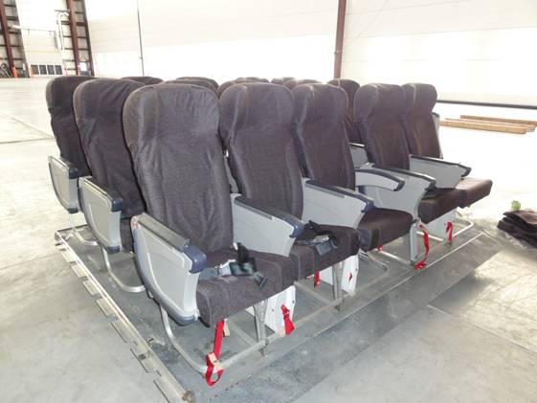
NOTES |  |  |  |  |  |  |  |  |  |  |  |  |  | S | 2026-06-10 | 2026-07-11
 |  |  |  |  |  |  |  |  |  |  |  |  |  | U/S
Current Goal: 13 X 15 seat, 3 X 10 seat + 2 x 10 seat |  |  |  |  |  |  |  |  |  |  |  |  |  | DEP
 |  |  |  |  |  |  |  |  |  |  |  |  |  | Coming due
Information on deployed Palletized seating obtained from latest deployment report. |  |  |  |  |  |  |  |  |  |  |  |  |  | P/F due
Life preserver ref des:2564PLST |  |  |  |  |  |  |  |  |  |  |  |  |  | 2026-06-10
1680-01-572-0471

INFORMATION
Pallets reported different from original configuration.

Pallet Status |  | Type | Total | Currently servicable | Note
 |  | 15 | 13 | 8
 |  | 10 | 5 | 4

Pallet # | Type | Status | Location | LIFE PRESERVER S/N | EPOS Insp Due | EPOS TX DATE | LP Insp DUE | Comments | Date updated | Actioned
1 | 15 | U/S | 1 HGR | LPSP001 | 18-Jan-26 | 1-Oct-28 | 19-Sep-26 | Epos at Lox | 10-Feb-26 | Richmond
2 | 15 | S | 1 HGR | LPSP002 | 19-Jul-26 | Oct28/Jun32 | 6-Mar-27 |  | 16/3/2026 | Richmond |  | EPOS | LPs
3 | 15 | S | 1 HGR | LPSP003 | 19-Jul-26 | Oct28/Jun32 | 2-Mar-27 |  | 3-Mar-26 | ST-DENIS | Part No. | MR-10096AF | A-A-50652
4 | 15 | S | 1 HGR | LPSP004 | 19-Jul-26 | 1-Oct-28 | 2-Mar-27 |  | 3-Mar-26 | ST-DENIS | NSN | 1660-01-421-0084 | 4220-01-113-8665
5 | 10 | S | 1 HGR | LPSP005 | 19-Jul-26 | 1-Jun-32 | 2-Mar-27 |  | 3-Mar-26 | ST-DENIS
6 | 10 | S | 1 HGR | LPSP006 | 29-Aug-27 | 1-Jun-32 | 19-Nov-26 |  | 4-Mar-26 | ST-DENIS
7 | 10 | S | 1 HGR | LPSP007 | 26-Jul-26 | Oct28/Jun32 | 6-Mar-27 |  | 16/3/2026 | Richmond
8 | 15 | S | 1 HGR | LPSP008 | 29-Aug-27 | 1-Jun-32 | 3-Jun-27 |  | 16/3/2026 | Richmond
9 | 15 | S | 1 HGR | LPSP009 | 29-Aug-27 | 1-Oct-28 | 7-May-27 |  | 13-May-26 | ST-DENIS
10 | 15 | S | 1 HGR | LPSP010 | 26-Jul-26 | 1-Oct-28 | 12-Dec-26 |  | 17-Dec-25 | ST-DENIS
11 | 15 | S | 1 HGR | LPSP011 | 29-Aug-27 | 1-Oct-28 | 12-Dec-26 |  | 4-Mar-26 | ST-DENIS
12 | 15 | S | 1 HGR | LPSP012 | 29-Aug-27 | 1-Oct-28 | 19-Nov-26 |  | 4-Mar-26 | ST-DENIS
13 | 15 | S | 1 HGR | LPSP013 | 26-Jul-26 | Oct 28/Nov28 | 7-May-27 |  | 13-May-26 | ST-DENIS
14 | 15 | S | 1 HGR | LPSP014 | 28-Jul-26 | 1-Nov-28 | 24-Apr-27 |  | 13-May-26 | ST-DENIS
15 | 15 | S | 1 HGR | LPSP015 | 28-Jul-26 | Oct28/Nov29 | 17-Oct-26 |  | 2-Feb-26 | SOO LUM |  | 3
16 | 15 | S | 1 HGR | LPSP016 | 26-Jul-27 | 1-Nov-28 | 24-Apr-27 |  | 13-May-26 | ST-DENIS
17 | 10 | U/S | 1 HGR | LPSP017 | 16-May-26 | Oct 28/Nov28 | 20-Nov-26 | EPOS to be removed tagged and moved to Lox bldg | 19-May-26 | Nevins
18 | 10 | U/S | 1 HGR | LPSP018 | 16-May-26 | Mar 28/Oct 28/Jun32 | 10-Apr-26 | U/S, 3 Apr 25: LPs sent to 10 Hgr ALSE Shop. 5 June 25: 10 Hgr ALSE & 429 Maint Planner advised that awaiting lights to build LP batch. / 17 Nov 25 : Epos sent for inspection | 19-May-26 | Nevins
SPARE #1 | 10 |  |  | LPSPSPARE1 |  |  | 12-Dec-26 | In ALSE Locker | 20-Feb-26 | ST-DENIS
SPARE #2 | 15 |  |  | LPSPSPARE2 |  |  | 26-Nov-26 | In the ALSE locker | 3-Mar-26 | ST-DENIS
SPARE #3 | 10 |  |  | LPSPSPARE3 |  |  | 12-Dec-26 | installed on Seat | 20-Nov-25 | ST-DENIS

LSAS Kits |  | Status | Location | S/N
 |  | S | 1 HGR | 65948
 |  | S | 1 HGR | 65949

ATGL Archive
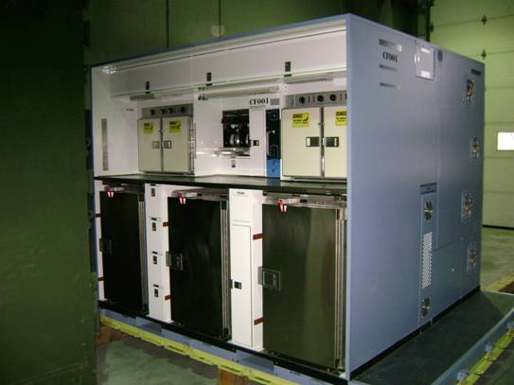
ATGL | Condition | Location | Comments | ATGL ITEM INSPECTION INTERVAL
RCAF-001 | U/S | 1 Hgr | AECMS, AMAT | 1000 Hrs | Coffee Maker - Complete cleaning |  | TO 13B6-4-1 | S
RCAF-002 | U/S | 1 Hgr | ATGL and pallet signidficant damages, Waiting on LCMM descisions regarding rebuild vs scrap | 1000 Hrs | Oven - Check temp calibration |  | TO 13B1-19-1 | U/S
RCAF-003 | Deployed | Deployed with 705 |  | 1000 Hrs | Refrigerator - Check for proper cooling |  | TO 13B5-9-1 | Deployed
RCAF-004 | Deployed | Deployed with 704 |  | 1000 Hrs | Toilet Tank Assembly - Steam clean unit and perform operational check out |  | Chapter 5

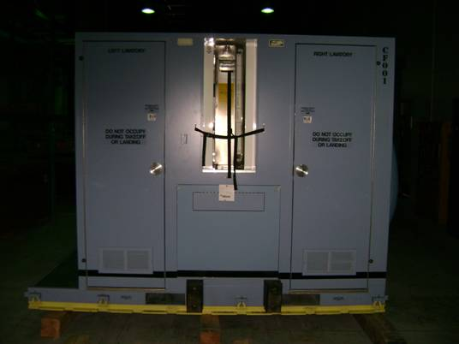
 |  |  |  | 450 | Periodic |  | 13B4-4-6WC-1
Notes and Information
Hourly/calendar inspection tracking tables X 4 and ATGL status table to be copied to SAMEO support equip readiness slides only.
Yellow months remaining cell indicates 1 month remaining until applicable inspection due. |  |  |  | As required | Preflight and Post flight |  | 13B4-4-6WC-1
RED months remaining cell indicates 0 months remaining until applicable inspection due.
RED months remaining cell indicates #NUM! when applicable inspection is past due. |  |  |  | Annually or as required | Potable water Filter - Clean or replace |  | Chapter 5
Information on deployed ATGL obtained from latest deployment report.
 |  |  |  | 10 Years | Emergency Oxygen System Generator |  | Chapter 5
Waiver granted to ALL units to delay 5 Year inspection, not to exceed next contract or Date November 2023

ATGL 7360-01-328-5127

Air Transportable Galley & Lavatory - Serial Number RCAF-001 (CF 001) |  |  |  | ATGL Serial Number RCAF-001
Hourly Inspection Tracker. |  |  | Current Hrs | Inspection Type |  | Days Remaining
 |  |  | 4662.6 | 1 Year |  | #NUM!
Inspection Type | Hours When Due | Hours Remaining | Note: | 10 Years |  | #NUM!
300 Hr | 3144 | -1518.6
1000 Hr | 3918.5 | -744.1
2500 Hr | 4446.9 | -215.7
Calendar Inspection Tracker. Enter Inspection Due Date As MMM-YYYY |  |  | In Service Date
 |  |  | Sep-09
Inspection Type | Inspection Date | Months Remaining | Note: Number of months remaining and conditional formatting calculated on Inspection date (due 1st day of month shown) - Current Date.
1 Year | May-16 | #NUM!
10 Years | Sep-19 | #NUM!

Air Transportable Galley & Lavatory - Serial Number RCAF-002 (CF 002)
Hourly Inspection Tracker. |  |  | Current Hrs | ATGL Serial Number RCAF-002
 |  |  | 3046.4 | Inspection Type |  | Days Remaining
Inspection Type | Hours When Due | Hours Remaining | Note: Insp schedule to be updated and entered once unit is repaired and returned to service | 1 Year |  | #NUM!
300 Hr | 0 | -3046.4 |  | 10 Years |  | #NUM!
1000 Hr | 0 | -3046.4
2500 Hr | 0 | -3046.4
Calendar Inspection Tracker. Enter Inspection Due Date as MMM-YYYY |  |  | In Service Date
 |  |  | Sep-09
Inspection Type | Inspection Date | Months Remaining | Note: Number of months remaining and conditional formatting calculated on Inspection date (due 1st day of month shown) - Current Date.
1 Year | Sep-11 | #NUM!
10 Years | Sep-19 | #NUM!

Air Transportable Galley & Lavatory - Serial Number RCAF-003 (AF 147)
Hourly Inspection Tracker. |  |  | Current Hrs
 |  |  | 7148.9 | ATGL Serial Number RCAF-003 (AF 147)
Inspection Type | Hours When Due | Hours Remaining | Note: Refurbished unit. Hourly inspection schedule and calendar inspection reset to 0 Hrs / 0 months effective 4870.4 ATGL Hours. | Inspection Type |  | Days Remaining
450 Hr | 6225 | -923.9 |  | 1 Year |  | #NUM!
5000 Hr | 6672.5 | -476.4 |  | 10 Years |  | #NUM!
2500 Hr | 7370.4 | 221.5
Calendar Inspection Tracker. Enter Inspection Due Date as MMM-YYYY |  |  | In Service Date
 |  |  | Jun-11
Inspection Type | Inspection Date | Months Remaining | Note: Number of months remaining and conditional formatting calculated on Inspection date (due 1st day of month shown) - Current Date.
1 Year | Apr-16 | #NUM!
10 Years | Jun-21 | #NUM!

Air Transportable Galley & Lavatory - Serial Number RCAF-004 (AF 163)
Hourly Inspection Tracker. |  |  | Current Hrs
 |  |  | 5128.7
Inspection Type | Hours When Due | Hours Remaining | Note: Refurbished unit. Hourly inspection schedule and calendar inspection reset to 0 Hrs / 0 months effective 3272.1 ATGL Hours. | ATGL Serial Number RCAF-004 (AF 163)
450 Hr | 3962 | -1166.7 |  | Inspection Type |  | Days Remaining
5000 Hr | 4272.1 | -856.6 |  | 1 Year |  | #NUM!
2500 Hr | 5772.1 | 643.4 |  | 10 Years |  | #NUM!
Calendar Inspection Tracker. Enter Inspection Due Date as MMM-YYYY |  |  | In Service Date
 |  |  | Jun-11
Inspection Type | Inspection Date | Months Remaining | Note: Number of months remaining and conditional formatting calculated on Inspection date (due 1st day of month shown) - Current Date.
1 Year | Apr-15 | #NUM!
10 Years | Jun-21 | #NUM!

